Sheet1
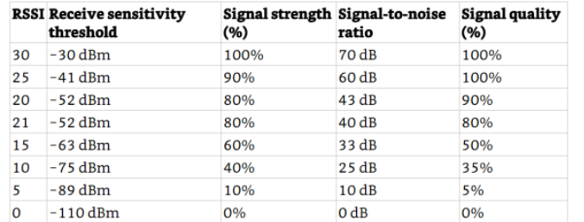
Comment:
# = Number of attempt
Signal = Signal strength of each successful uplink
Uplink = Returns 1 if successful and 0 if failed
Totals = total succesful uplinks
Obstructions = 0-5, 5 being major
RSSI = Recieved Signal Strength Indicator which is measured by the reciever of the gateway through sensistivity and signal power. Blank values indicatate an unsuccessful uplink.
Signal Integrity Test
 |  |  | default |  |  | PA_BOOST |  |  | Default ratio | PA ratio
# | Distance ~ (m) | obstructions | RSSI (dBm) | SNR | Uplink | RSSI (dBm) | SNR | Uplink | 72.222222222 | 66.666666667
1 | 0m | 0 | -17 | 10 | 1 | -20 | 11 | 1
2 | 10m | 0 | -53 | 7.5 | 1 | -73 | 9.25 | 1
3 | 16.674m | 1 | -71 | 11 | 1 | -83 | 7.25 | 1
4 | 42.817m | 1 | -87 | 3 | 1 | -101 | 7.75 | 1
5 | 61.972m | 1 | -90 | 3.25 | 1 | -98 | 0.75 | 1
6 | 140.577m | 2 | -94 | 0.75 | 1 | -96 | 1.5 | 1
7 | 227.985m | 3 | -102 | 1 | 1 | -100 | 7 | 1
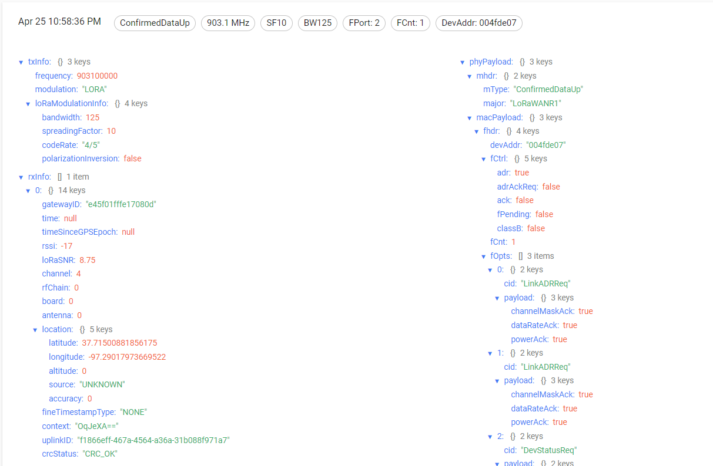
8 | 293.023m | 3 | -106 | 9 | 1 | -100 | 8.25 | 1
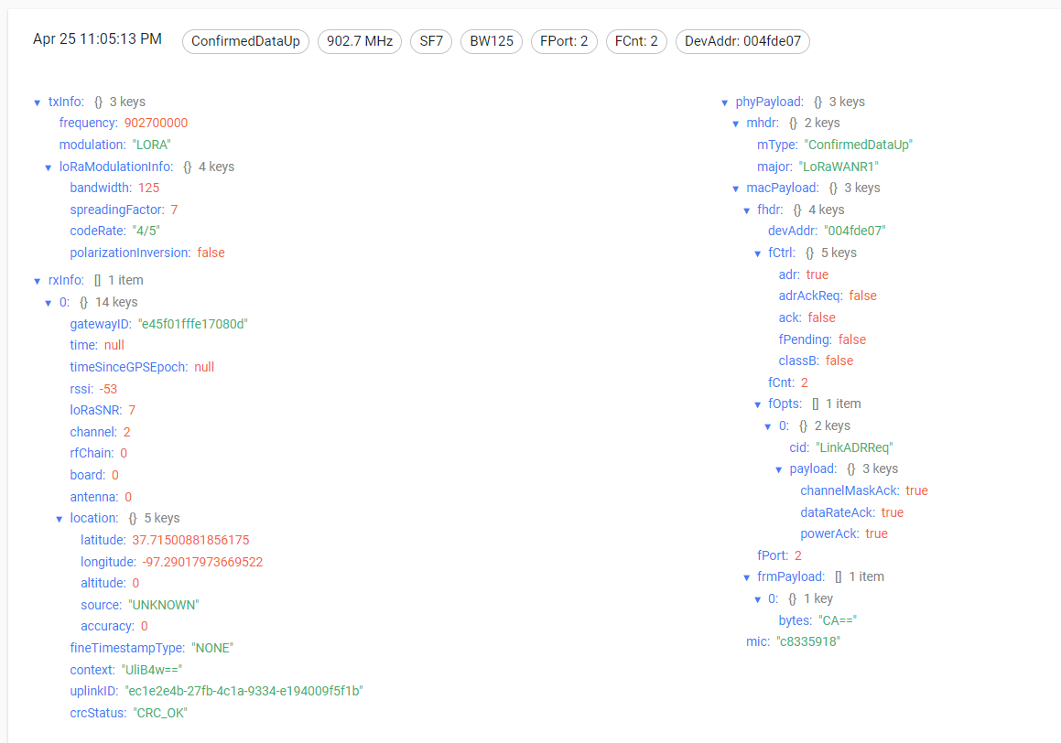
9 | 335.183m | 3 | -107 | 6.25 | 1 | -103 | 6.75 | 1
10 | 400m | 5 |  |  | 0 |  |  | 0
11 | 368.354m | 5 |  |  | 0 |  |  | 0
12 | 324.564m | 5 | -106 | 11.75 | 1 |  |  | 0
13 | 249.27m | 5 |  |  | 0 |  |  | 0
14 | 175.241m | 5 |  |  | 0 |  |  | 0
15 | 175.241m | 4 | -106 | 11.75 | 1 |  |  | 0
16 | 73.793m | 3 |  |  | 0 | -94 | 4.5 | 1
17 | 43m | 1 | -85 | 5 | 1 | -100 | 0 | 1
18 | 17m | 1 | -47 | 8 | 1 | -75 | 8.75 | 1
19
20
21
22
23
24
25
26
27
28
29
30
31 |  |  |  |  | 0.72222222222 |  |  | 0.66666666667
32
33
Note: The first experiment occurred after successful transmission of data to the thingsboard board api. In this test most of the results were as expected. As the distance became larger the RSSI values degraded. As in any wireless communication the RSSI was directly correlated with distance and obstructions. An important thing to note is that OTAA is the biggest challenge for gateway connectivity. In some random circumstances the gateway and node may not connect and the program has to be reran until it does. However, once the devices are synced via the join request/join accept, transmitted data is processed by the gateway instantaneously. Another important note is that chirpstack / thingsboard has a hard time forwarding / recieving large payloads. For our case our data will only be binary with the decoder interpeting a 1 as occupied and a 0 as vaccant.
34
35
36
37
38
39
40
41
42
43
44
45
46
47

